T&T QRF
ENTRY DOORS TORONTO INC., 7321 Victoria Park Ave., unit 20, Markham ON L3R 2Z8, Phone: (416) 800-7737, (647) 449-9047, Email: info@entrydoors-toronto.com
TILT & TURN WINDOWS QUOTE REQUEST FORM
Nr. | Location | QTY | Window type | Window frame size (enter width and height in inches only) |  |  |  |  | Window frame color (select from drop-down list) |  | Window quality line (legend is below) | Glass options (select from drop-down list) |  | Handle position (inside view) | Comments
# | Position | QTY | select from drop-down list | W" | H" | Sq.feet | W mm | H mm | Exterior | Interior | Select window line from drop-down list | Privacy | Grills | select from drop-down list | Notes
1
2
3
4
5
6
7
8
9
10
11
12
13
14
15
16
17
18
19
20
21

Total |  | 0 |  |  |  | 0.00

*) Legende:
- Ideal 4000 – 5 chambers PVC Profile Aluplast Ideal 4000 (70 mm), 2 gaskets, double glass (24 mm)– up to Uw=0.99 W/M2 *K - recommended for small to medium size windows
- Ideal 7000 – 6 chambers PVC Profile Aluplast Ideal 7000 (85 mm), 2 gaskets, triple glass (48 mm) - up to Uw=0.86 W/M2 *K - recommended for all size windows
- Intertec MD85 - 6 chambers PVC Profile Aluplast Intertec MD85 (85 mm), 3 gaskets, triple glass (48 mm) - up to Uw=0.74 W/M2 *K - recommended for all size windows (BEST VALUE!)
- Ideal 8000 - 6 chambers PVC Profile Aluplast Ideal 8000 (85 mm), 3 gaskets, triple glass (48 mm) - up to Uw=0.67 W/M2 *K - recommended for all size windows for PASSIVE HOUSE
- Energeto 8000 - 6 chambers PVC Profile Aluplast Energeto 8000 (85 mm), PUR foam inside, 3 gaskets, triple glass (48 mm) - up to Uw=0.57 W/M2 *K - recommended for all size windows for PASSIVE HOUSE
Aluplast Ideal 4000 Aluplast Ideal 7000 Aluplast Intertec MD85 Aluplast Ideal 8000 Aluplast Energeto 8000 (foam inside)
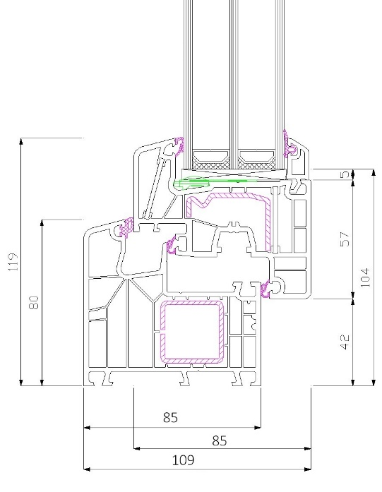 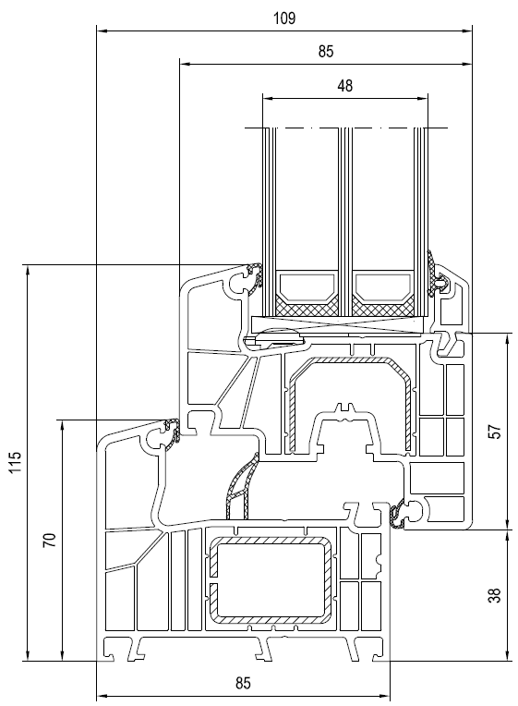 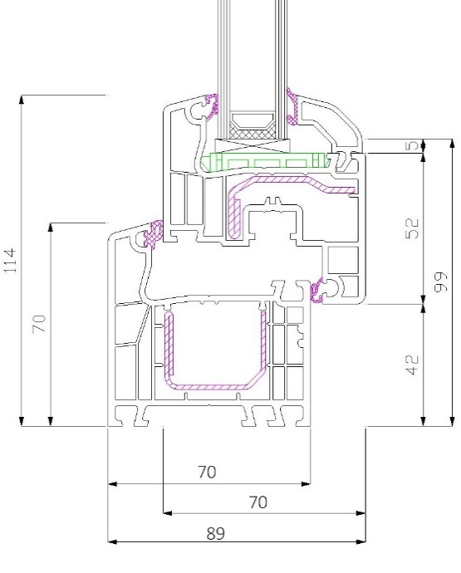 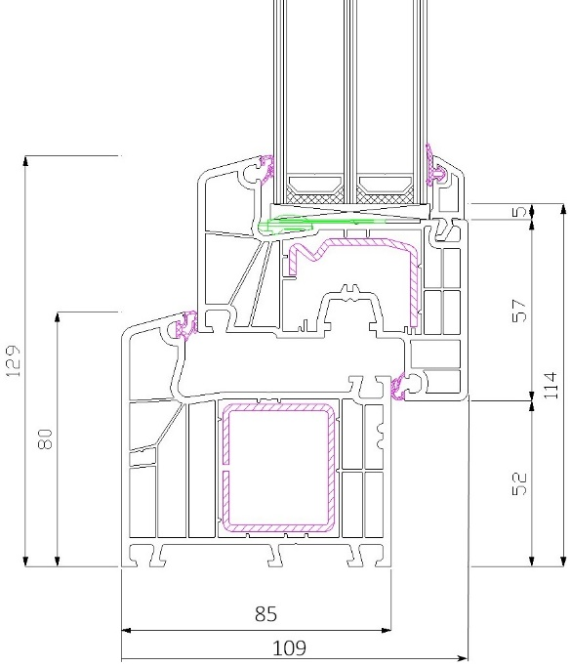 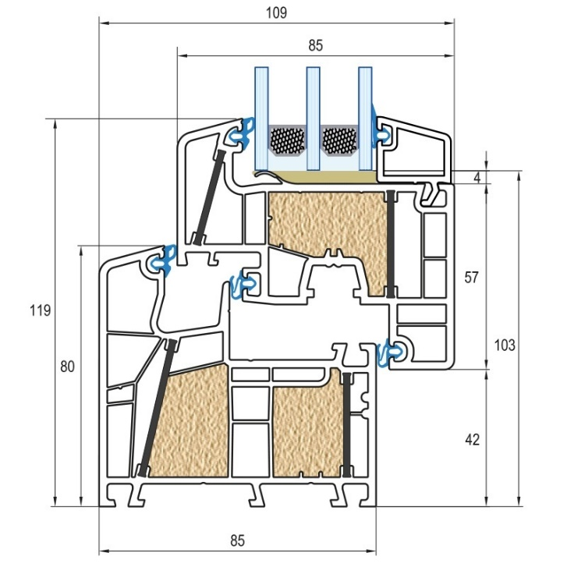

Lower energy efficiency igh energy efficiency Higher energy efficiency Highest energy efficiency Super energy efficiency
Cost effective Good value Best value! Higher price range Highest price range
Eligiable for PASSIVE HOME construction

